original
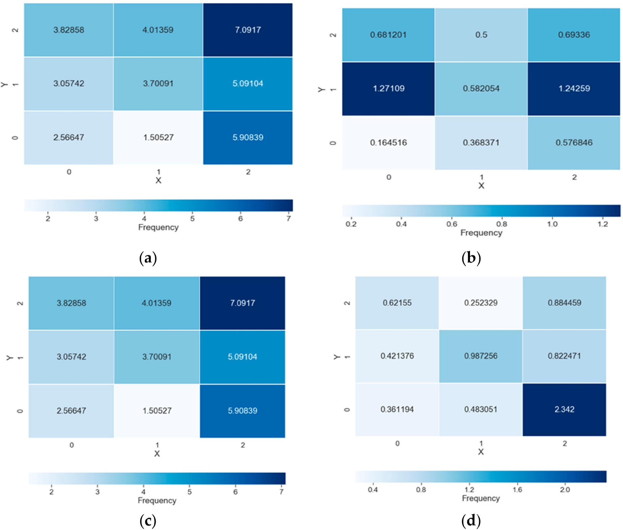
Commercialization performance of each cluster. (a) Average number of commercialized projects (Unit: number of projects). (b) Average commercialized period (Unit: year). (c) Average sales from commercialized projects (Unit: 100 million KRW). (d) Average number of jobs created by commercialized projects (Unit: number of jobs).

